ART
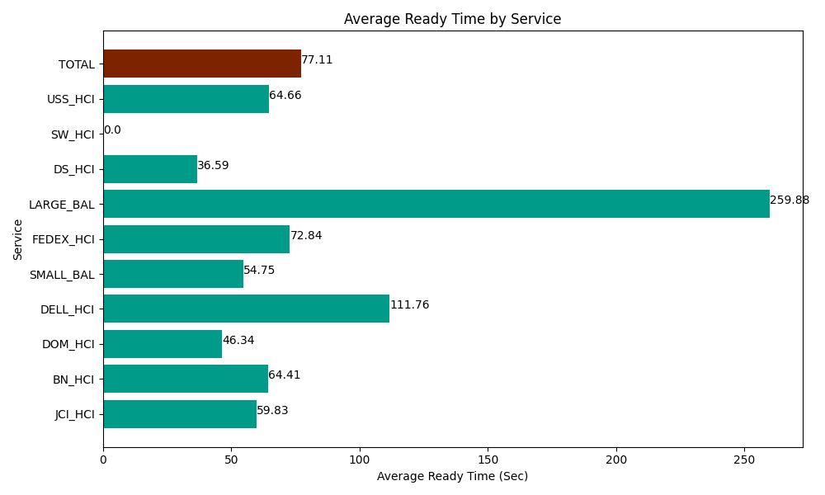
Date | Service | Successful Op Transfer | In Call (Sec) | Ready (Sec) | Wrapup (Sec) | Not Ready (Sec) | Average Ready Time (Sec)
04-02-2024 | JCI_HCI | 466 | 51812.999268 | 27878.999634 | 54700.198975 | 30977.999268 | 59.83
04-02-2024 | BN_HCI | 607 | 51515.998535 | 39099.001465 | 81589.196777 | 55337.999268 | 64.41
04-02-2024 | DOM_HCI | 308 | 19537.800293 | 14272.800293 | 38082.000732 | 27262.199707 | 46.34
04-02-2024 | DELL_HCI | 93 | 6820.8000183 | 10393.799744 | 20128.200073 | 10708.799744 | 111.76
04-02-2024 | SMALL_BAL | 433 | 30631.199341 | 23706.000366 | 69043.198242 | 74793.00293 | 54.75
04-02-2024 | FEDEX_HCI | 30 | 4351.7999268 | 2185.1998901 | 1272.0000458 | 1540.2000046 | 72.84
04-02-2024 | LARGE_BAL | 8 | 400.20000458 | 2079.0000916 | 742.80000687 | 1264.7999954 | 259.88
04-02-2024 | DS_HCI | 384 | 18133.200073 | 14048.999634 | 31047.000732 | 72820.803223 | 36.59
04-02-2024 | SW_HCI | 0 | 0 | 37.799999714 | 0 | 10.800000429 | 0
04-02-2024 | USS_HCI | 149 | 31759.200439 | 9634.8001099 | 18297.000732 | 23758.200073 | 64.66
 | TOTAL | 2478 | 214963.1979 | 143336.40123 | 314901.59632 | 298474.80421 | 77.11

